P4
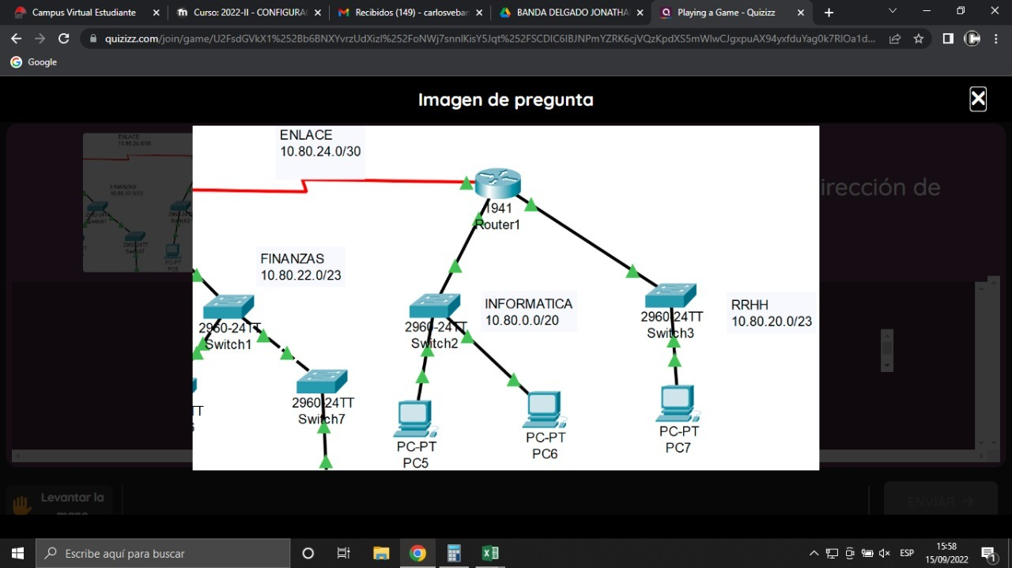

10 | 80 | 20 | 0 | /23

1 | 2 | 3 | 4 | 5 | 6 | 7 | 8 | 9 | 10 | 11 | 12 | 13 | 14 | 15 | 16 | 17 | 18 | 19 | 20 | 21 | 22 | 23 | 24 | 25 | 26 | 27 | 28 | 29 | 30 | 31 | 32
0 | 0 | 0 | 0 | 1 | 0 | 1 | 0 | 0 | 1 | 0 | 1 | 0 | 0 | 0 | 0 | 0 | 0 | 0 | 1 | 0 | 1 | 0 | 0 | 0 | 0 | 0 | 0 | 0 | 0 | 0 | 0

Broadcast

1 | 2 | 3 | 4 | 5 | 6 | 7 | 8 | 9 | 10 | 11 | 12 | 13 | 14 | 15 | 16 | 17 | 18 | 19 | 20 | 21 | 22 | 23 | 24 | 25 | 26 | 27 | 28 | 29 | 30 | 31 | 32
0 | 0 | 0 | 0 | 1 | 0 | 1 | 0 | 0 | 1 | 0 | 1 | 0 | 0 | 0 | 0 | 0 | 0 | 0 | 1 | 0 | 1 | 0 | 1 | 1 | 1 | 1 | 1 | 1 | 1 | 1 | 1
10 |  |  |  |  |  |  |  | 80 |  |  |  |  |  |  |  | 21 |  |  |  |  |  |  |  | 255

